Table 1
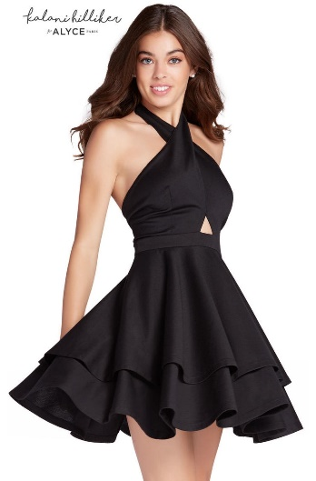
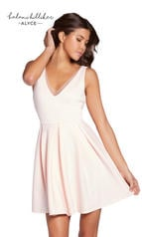
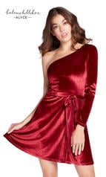
 | STYLEI | Brand | COLOR | 0 (XS) | 4 (S) | 8(M) | 12 (L) | 16 (XL) | AVLQTY | MSRP | Total MSRP
1 | 33100 | Alyce Paris | BLACK | 442 | 671 | 669 | 308 | 85 | 2175 | $128.00 | $278,336.00
2 | 33100 | Alyce Paris | CRANBERRY | 206 | 309 | 311 | 144 | 42 | 1002 | $128.00 | $128,256.00
3 | 33100 | Alyce Paris | BLUSH | 204 | 425 | 336 | 165 | 47 | 1077 | $128.00 | $137,792.00
4 | 33101 | Alyce Paris | BLACK | 415 | 641 | 597 | 262 | 15 | 1931 | $198.00 | $382,239.00
5 | 33101 | Alyce Paris | BURGUNDY | 169 | 257 | 271 | 79 | 0 | 776 | $198.00 | $153,549.00
6 | 33101 | Alyce Paris | BLUSH | 172 | 255 | 291 | 134 | 21 | 902 | $198.00 | $178,596.00
7 | 33102 | Alyce Paris | BLACK | 127 | 192 | 192 | 89 | 17 | 616 | $90.00 | $55,440.00
8 | 33102 | Alyce Paris | CRANBERRY | 85 | 129 | 128 | 59 | 15 | 415 | $90.00 | $37,305.00
9 | 33102 | Alyce Paris | BLUSH | 41 | 60 | 65 | 31 | 8 | 204 | $90.00 | $18,360.00
10 | 33103 | Alyce Paris | BLACK | 483 | 724 | 725 | 437 | 97 | 2366 | $72.00 | $170,352.00
11 | 33103 | Alyce Paris | BURGUNDY | 288 | 429 | 441 | 204 | 62 | 1412 | $72.00 | $101,664.00
12 | 33103 | Alyce Paris | BLUSH | 194 | 259 | 292 | 133 | 44 | 951 | $72.00 | $68,472.00 | 33100 | 33101 |  | 33102
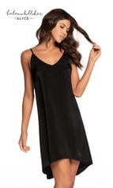
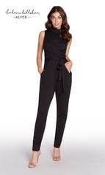
13 | 33104 | Alyce Paris | BLACK | 456 | 769 | 704 | 361 | 116 | 2406 | $54.00 | $129,897.00
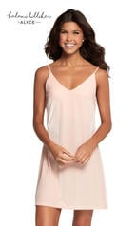
14 | 33104 | Alyce Paris | CRANBERRY | 249 | 402 | 452 | 199 | 56 | 1357 | $54.00 | $73,278.00
15 | 33104 | Alyce Paris | BLUSH | 166 | 232 | 221 | 105 | 32 | 755 | $54.00 | $40,770.00
16 | 33105 | Alyce Paris | BLACK | 363 | 503 | 388 | 164 | 0 | 1318 | $78.00 | $102,765.00
17 | 33105 | Alyce Paris | CRANBERRY | 290 | 412 | 402 | 172 | 0 | 1276 | $78.00 | $99,528.00
18 | 33105 | Alyce Paris | BLUSH | 277 | 395 | 385 | 173 | 0 | 1231 | $78.00 | $95,979.00
19 | 33106 | Alyce Paris | BLACK | 656 | 982 | 973 | 435 | 71 | 3117 | $58.00 | $180,786.00
20 | 33106 | Alyce Paris | BURGUNDY | 191 | 288 | 289 | 108 | 0 | 875 | $58.00 | $50,750.00
21 | 33107 | Alyce Paris | BLACK | 565 | 783 | 723 | 259 | 0 | 2339 | $58.00 | $135,662.00
22 | 33107 | Alyce Paris | BURGUNDY | 355 | 553 | 541 | 244 | 0 | 1692 | $58.00 | $98,136.00
23 | 33108 | Alyce Paris | BLACK | 453 | 675 | 668 | 310 | 77 | 2182 | $80.00 | $174,560.00
24 | 33108 | Alyce Paris | BURGUNDY | 216 | 330 | 332 | 143 | 40 | 1062 | $80.00 | $84,920.00
25 | 33108 | Alyce Paris | BLUSH | 222 | 343 | 340 | 166 | 42 | 1103 | $80.00 | $88,200.00
26 | 33109 | Alyce Paris | BLACK | 46 | 145 | 122 | 40 | 0 | 353 | $80.00 | $28,200.00 | 33103 | 33104 |  | 33106


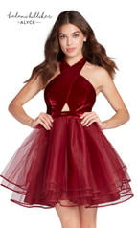
27 | 33109 | Alyce Paris | WHITE | 61 | 87 | 65 | 35 | 1 | 248 | $80.00 | $19,840.00
28 | 33109 | Alyce Paris | BLACK-WHITI | 60 | 223 | 178 | 59 | 4 | 523 | $80.00 | $41,800.00
2.9 | 33109 | Alyce Paris | BLUSH | 30 | 71 | 74 | 18 | 12 | 205 | $80.00 | $16,360.00
30 | 33110 | Alyce Paris | SILVER | 416 | 613 | 728 | 346 | 108 | 2211 | $58.00 | $128,238.00
31 | 33110 | Alyce Paris | ROSEGOLD | 425 | 639 | 568 | 303 | 54 | 1989 | $58.00 | $115,333.00
32 | 33111 | Alyce Paris | BLACK | 432 | 708 | 744 | 320 | 103 | 2407 | $68.00 | $163,676.00
33 | 33111 | Alyce Paris | WHITE | 265 | 410 | 418 | 196 | 32 | 1319 | $68.00 | $89,692.00
34 | 33111 | Alyce Paris | CRANBERRY | 51 | 105 | 120 | 46 | 0 | 322 | $68.00 | $21,862.00
35 | 33111 | Alyce Paris | BLUSH | 75 | 129 | 104 | 62 | 14 | 384 | $68.00 | $26,112.00
36 | 33112 | Alyce Paris | BLACK | 208 | 316 | 409 | 139 | 21 | 994 | $54.00 | $53,676.00
37 | 33112 | Alyce Paris | WHITE | 181 | 257 | 249 | 129 | 27 | 842 | $54.00 | $45,468.00
38 | 33112 | Alyce Paris | BLACK-WHITI | 109 | 142 | 92 | 45 | 0 | 367 | $54.00 | $19,818.00
39 | 33112 | Alyce Paris | CRANBERRY | 132 | 194 | 168 | 70 | 0 | 563 | $54.00 | $30,375.00
40 | 33112 | Alyce Paris | BLUSH | 142 | 201 | 203 | 95 | 25 | 665 | $54.00 | $35,883.00 | 33108 | 33113 | 33112 |  | 131002
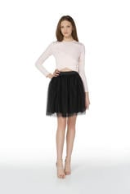
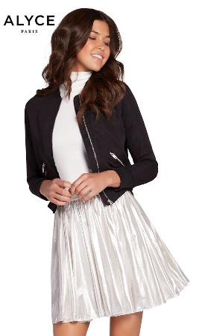
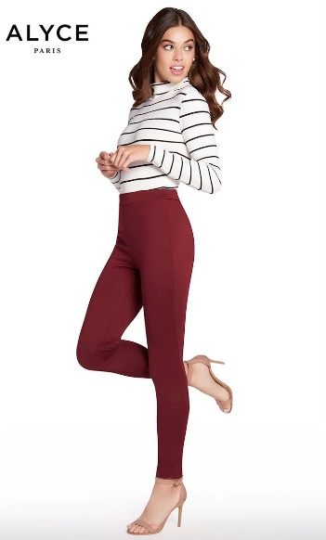
41 | 33113 | Alyce Paris | BLACK | 219 | 324 | 424 | 153 | 28 | 1048 | $56.00 | $58,660.00
42 | 33113 | Alyce Paris | WHITE | 184 | 279 | 277 | 138 | 40 | 918 | $56.00 | $51,380.00
43 | 33113 | Alyce Paris | BURGUNDY | 140 | 196 | 174 | 87 | 20 | 608 | $56.00 | $34,020.00
44 | 33113 | Alyce Paris | BLACK-WHITI | 132 | 185 | 214 | 75 | 45 | 651 | $56.00 | $36,428.00
45 | 33113 | Alyce Paris | BLUSH | 142 | 200 | 209 | 106 | 42 | 688 | $56.00 | $38,500.00
46 | 331002 | Alyce Paris | BLACK | 374 | 572 | 574 | 276 | 87 | 1883 | $88.00 | $165,660.00
47 | 331002 | Alyce Paris | WHITE | 0 | 135 | 136 | 66 | 22 | 446 | $88.00 | $39,248.00
48 | 331002 | Alyce Paris | BURGUNDY | 278 | 402 | 414 | 200 | 60 | 1354 | $88.00 | $119,108.00
49 | 331002 | Alyce Paris | BLUSH | 244 | 359 | 365 | 185 | 65 | 1217 | $88.00 | $107,096.00
so | 331112 | Alyce Paris | BLACK | 505 | 753 | 781 | 36 | 109 | 2508 | $54.00 | $135,432.00
51 | 331112 | Alyce Paris | WHITE | 304 | 461 | 455 | 236 | 64 | 1518 | $54.00 | $81,972.00
52 | 331112 | Alyce Paris | BURGUNDY | 75 | 140 | 127 | 45 | 0 | 377 | $54.00 | $20,358.00 |  |  | 33110
53 | 331112 | Alyce Paris | BLUSH | 97 | 142 | 159 | 56 | 12 | 466 | $54.00 | $25,137.00
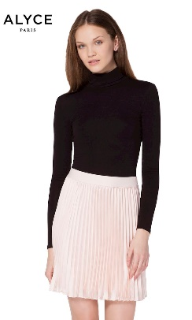
 |  |  |  | 12700 | 19341 | 19046 | 8437 | 1853 | 61601 |  | $4,814,924.00 | 331112 |  |  |  | 33107

 |  |  |  |  |  |  |  |  |  |  |  |  |  | 33109

